Hiearchy View
CLASS: STRUCTURAL SUPPORT
a part of a building or structure that provides the necessary stiffness and strength in order to resist the internal forces and guide them safely to the ground. |  | 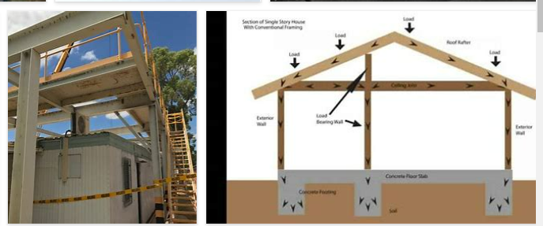
REMOVE | N

PROBLEM_DESC | CAUSE_DESC | REMEDY_DESC
BROKEN/DAMAGED
LEAKING
OTHER PROBLEM
PESTS
STOPPED/SLOWED/POOR OPS
VIBRATION
Grand Total

